Tasks
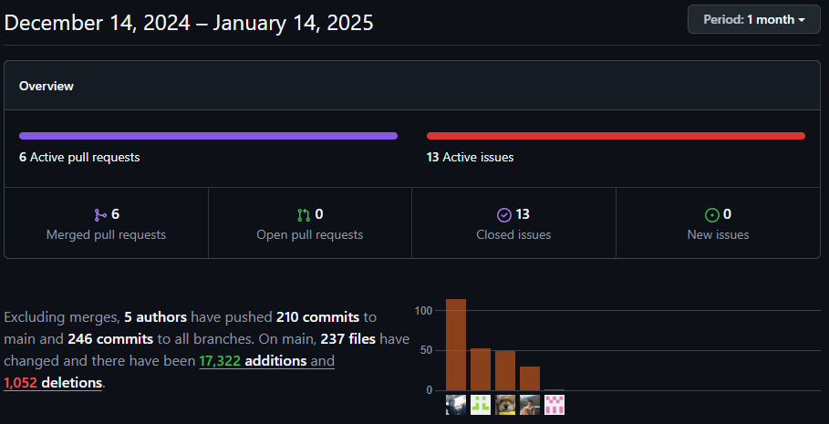
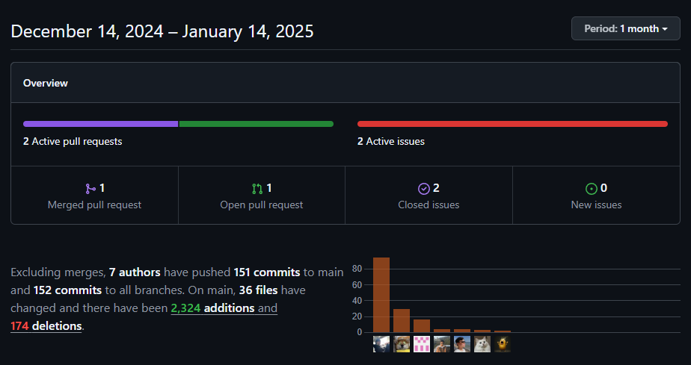
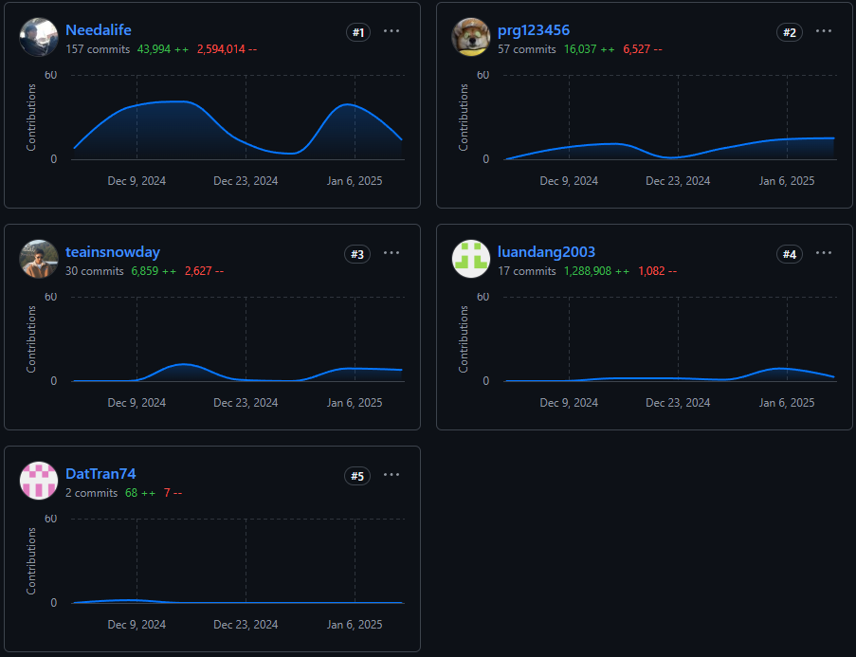
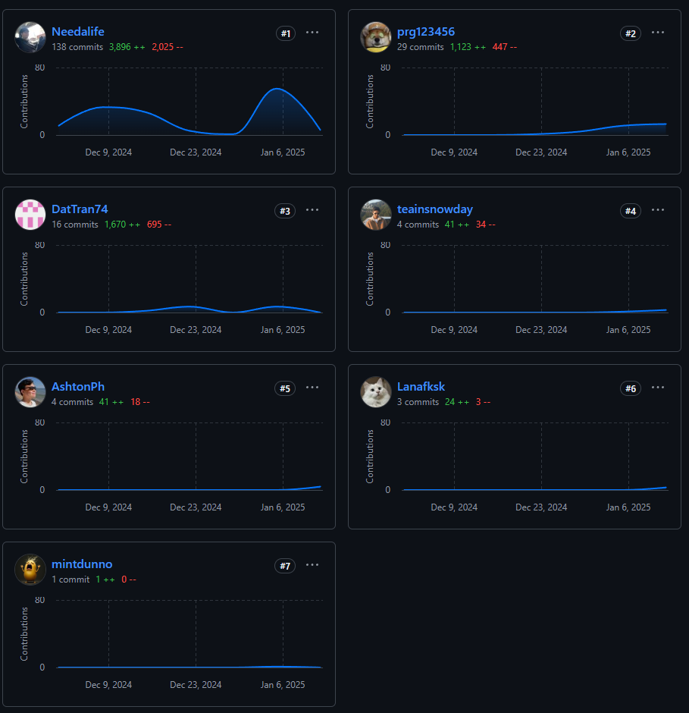
 | EEET2580 Teamwork Contribution Document
 | SQUAD TIGER - GROUP [B]
 | Name: Nguyen Duc Anh |  |  | Name: Dang Vinh Luan |  |  | Name: Tran Xuan Hoang Dat |  |  | Name: Luong Gia Bao |  |  | Name: Le Thanh Vinh
 | Assigned Tasks | Date Start | Date Completed | Assigned Tasks | Date Start | Date Completed | Assigned Tasks | Date Start | Date Completed | Assigned Tasks | Date Start | Date Completed | Assigned Tasks | Date Start | Date Completed
MILESTONE 1
Architecture Design | BE Architecture Design |  |  | FE Architecture Design |  |  | BE Architecture Review |  |  | BE Architecture Design |  |  | FE Architecture Design
MILESTONE 2
UX / UI Design | Figma Review |  |  | Figma Review |  |  | Figma Review |  |  | Figma Review |  |  | Figma Design
Front-end Development |  |  |  | Admin Settings Page | 1-Jan-25 | 10-Jan-25 |  |  |  |  |  |  | Admin Statistics Page | 1-Jan-25 | 10-Jan-25
 |  |  |  | Admin Project Management Page | 1-Jan-25 | 11-Jan-25 |  |  |  |  |  |  | Admin Users Management Page | 2-Jan-25 | 4-Jan-25
 |  |  |  | Admin Add Image Function | 1-Jan-25 | 11-Jan-25 |  |  |  |  |  |  | Admin Dashboard Page | 1-Jan-25 | 7-Jan-25
 |  |  |  | Add Project Form | 5-Jan-25 | 7-Jan-25
 |  |  |  | Fetch image from database | 6-Jan-25 | 8-Jan-25 |  |  |  |  |  |  | Authentication for frontend | 2025-01-09 | 2025-01-13
 |  |  |  | Send Email to Charities | 6-Jan-25 | 12-Jan-25 |  |  |  |  |  |  | Add Donors Form | 5-May-25 | 6-Jan-25
 |  |  |  |  |  |  |  |  |  |  |  |  | Add Charity Form | 5-Jan-25 | 7-Jan-25
Back-end Development | Donor Service | 14-Dec-24 | 5-Jan-25 |  |  |  | Donors Module | 20-Dec-24 | 29-Dec-24 | Authentication Service | 2-Jan-25 | 11-Jan-25
 | Charity Service | 14-Dec-24 | 5-Jan-25 |  |  |  | API-gateway/ Key request Team A | 18-Dec-24 | 29-Dec-24 | Statistic Service | 8-Jan-25 | 11-Jan-25
 | Caching with Redis | 19-Dec-24 | 8-Jan-25 |  |  |  | API-gateway/ Payment request Team A | 5-Jan-25 | 5-Jan-25 | Migrate the system from Monolith to Microservices | 13-Dec-24 | 19-Dec-24
 | Database Connection Setup | 7-Dec-24 | 2024-12-07 |  |  |  | API-gateway/ Encryption request Team A | 1-Jan-25 | 2-Jan-25 | API-Gateway/ Authentication Middleware | 2025-01-12 | 2025-01-13
 | Message Broker (Kafka) setup | 12-Dec-24 | 16-Dec-24 |  |  |  | API-gateway/ Email request Team A | 5-Jan-25 | 5-Jan-25 | API-Gateway/ Auth Request | 2025-01-13 | 2025-01-14
 | API-Gateway charity requests setup | 10-Dec-24 | 27-Dec-24 |  |  |  | API-gateway/ Project request Team A | 7-Jan-25 | 5-Jan-25 | API-Gateway/Statistic Request
 | API-Gateway donor requests setup | 10-Dec-24 | 27-Dec-24 |  |  |  | API-gateway/ Decryptionrequest Team A | 6-Jan-25 | 7-Jan-25 | API-Gateway/Internal Routes
 | API-Gateway Kafka service setup | 2024-12-15 | 16-Dec-24 |  |  |  | Testing API
 | API-Gateway Logging Middleware | 16-Dec-24 | 17-Dec-24 |  |  |  | Write ReadME
Reporting | C4 diagrams redraw | 2025-01-11 | 2025-01-12 |  |  |  | Report Wrting/ C4 Diagram | 9-Jan-25 | 10-Jan-25
 | ERD redraw | 2025-01-11 | 2025-01-12 |  |  |  | Report Wrting/Service Breakdown | 11-Jan-25 | 11-Jan-25

Repository | Team-B repository |  |  |  |  | API-Gateway Repository

